Coverpage
Forms & Template
Rainforest Alliance - Severity Test Tool
Version 1
 | Translation Disclaimer
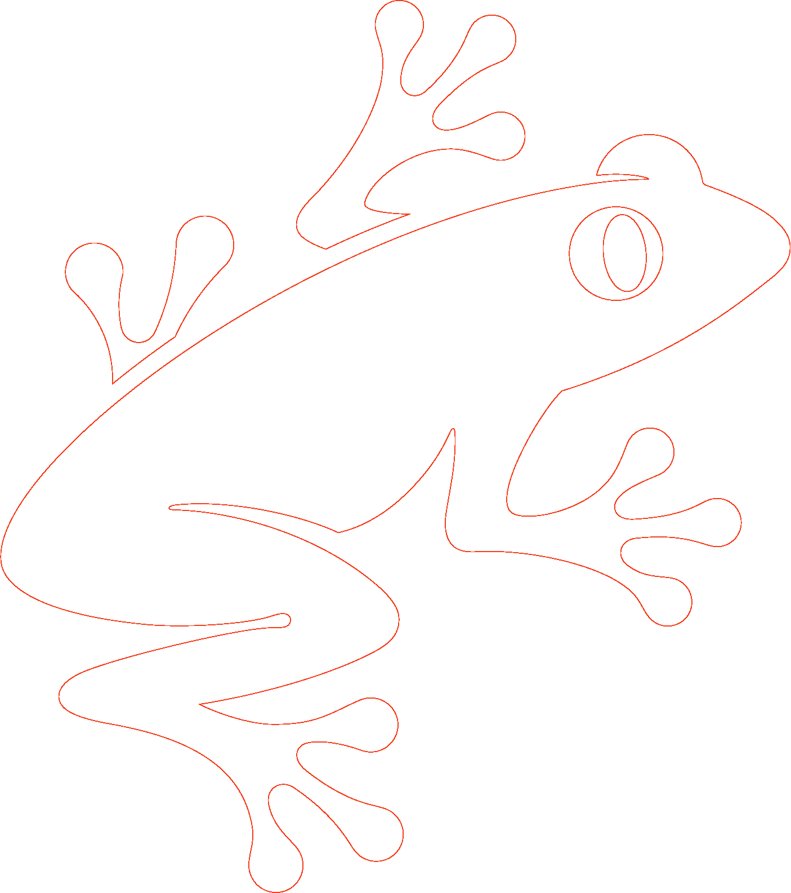
 | For any question related to the precise meaning of the information contained in the translation, please refer to the official English version for clarification. Any discrepancies or differences in meaning due to translation are not binding and have no effect for auditing or certification purposes.

 | More information?
 | For more information about the Rainforest Alliance, visit www.rainforest-alliance.org or contact info@ra.org

 | Document Name: |  | Document Code: | Version: | Language:
 | Rainforest Alliance - Severity Test Tool |  | SA-F-GA-34 | V1 | EN
 | Date of first publication: | Date of revision: | Valid From: | Expires by:
 | October 1st, 2022 | N/A | October 1st, 2022 | Until further notice
 | Developed by: |  | Approved by:
 | Rainforest Alliance Department Standards and Assurance |  | Senior Manager, Global Assurance
 | Linked to:
 | SA-R-GA-1-V1.2 Rainforest Alliance 2020 Certification and Auditing Rules

 | Replaces:
 | N/A
 | Applicable to:
 | Certification Bodies
 | Country/Region:
 | All
 | Crop: |  | Type of Certification:
© 2022 Rainforest Alliance. All rights reserved. | All crops in the scope of the Rainforest Alliance certification system; please see Certification Rules. |  | N/A

 | Any use of this content including reproduction, modification, distribution or republication, without the prior written consent of Rainforest Alliance is strictly prohibited.
SA-F-GA-34-V1

 | This guidance/tool document is non-binding. This means that this document provides important information to help readers understand, interpret and implement the requirements set out in the documents listed in the section “linked to” above. However, following the guidance in this document is not mandatory.

